
 |  |  |  | CODE: |  |  | pl1237 aa SN from 98A100
DESCRIPTION: |  | BRUSHES ø450 |  | BURSTEN ø450 | BROSSES ø450 | CEPILLOS ø450 | SPAZZOLE ø450
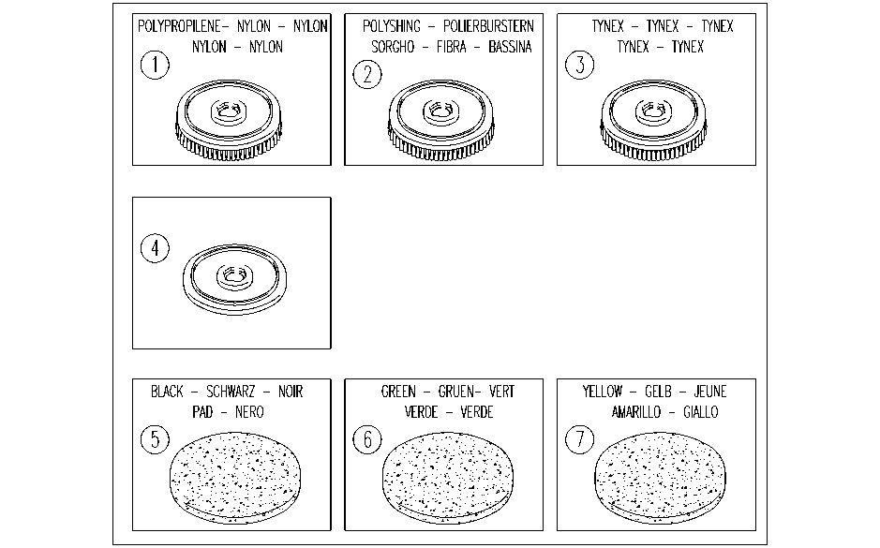

REF. | CODE | DESCRIPTION | QT
1 | AL04705 | POLYPROPYLENE BRUSH
2 | AL04707 | POLYSHING BRUSH
3 | AL04706 | TYNEX BRUSHES
4 | AL04701 | PAD DRIVER
5 | AL02219 | STRIPPING PAD(BLACK)
6 | AL02220 | STRIPPING PAD(GREEN)
7 | AL02221 | STRIPPING PAD(YELLOW)

